VALUATION
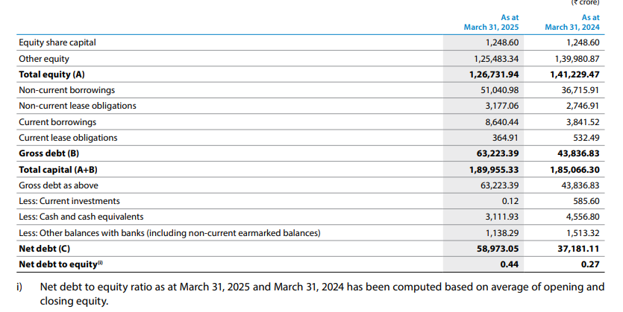
ASSUMPTIONS/ NOTES

1. WACC Calculation (for discount rate 'r')
(in crores) | Amount | Weight | Cost of |  | WACC | 9.45%
Debt (Pre-Tax) | 63,223.39 | 33.28% | 6.70%
Equity | 126,731.94 | 66.72% | 11.669%
Total Capital | 189955.33 | 100.00%

Ke (as per CAPM)
Risk-free rate of return |  | 7.085% |  | https://tradingeconomics.com/india/government-bond-yield
Beta |  | 0.952 |  | https://www.topstockresearch.com/rt/Stock/TATASTEEL/BetaAndVolatility
Market rate of return |  | 11.9%
Ke |  | 11.669%

10 year CAGR
- NIFTY 50 |  | 11.9% |  | https://www.screener.in/company/NIFTY/
- SENSEX |  | 11.6% |  | https://www.screener.in/company/1001/
 |  |  |  | The Nifty 50 is generally preferred because it is broader (50 stocks vs. 30 in the Sensex).
Kd (as per financial statements)
 |  |  |  |  |  |  |  | Debt - Gross debt was significantly higher due to utilisation of various term loans and Debentures during the year majorly for funding capital expansion projects and investments, along with net borrowings of short-term loans during the year
Total Interest Expense |  | 4,238.35
Total Debt |  | 63,223.39
Kd |  | 6.70% |  | maybe they had taken some of the non-current borrowings towards the end of
 |  |  |  | the year and its interest was not applicable yet?
 |  |  |  | Kd seems quite low; increase in finance cost is not up to increase in debt??

2. Growth rate 'g'

Estimated revenue growth |  | 7% |  | https://www.alphaspread.com/security/nse/tatasteel/analyst-estimates

For the explicit 4-year forecast period, FCFF is projected to grow directly at a compound annual rate of 7%, matching the consensus Wall Street revenue expansion targets for Tata Steel’s domestic operations.
Have not gone with a line by line forecast as this is driven by substantial near-term volume growth—specifically powered by the newly commissioned 5 MTPA Kalinganagar Phase II expansion.
Operating margins, asset utilization efficiencies, and capital reinvestment rates are conservatively assumed to remain stable at current levels for the foreseeable future.
Consequently, cash flow generation is modeled to scale symmetrically with top-line physical volume expansion

3. Terminal Growth Rate 't'

Inflation rate | 4% |  | https://www.statista.com/statistics/271322/inflation-rate-in-india/?srsltid=AfmBOoqw4nvLs9ANi6Amduroa8GtGxJ7K9wcrKroQkLWJVmc1jTEJHOv
GDP growth rate | 6.5% |  | https://www.worldometers.info/gdp/india-gdp/

As businesses scale and reach maximum market penetration, maintaining volume growth becomes harder.
They face threats from new technologies, material substitution, or shifting demographics.
Setting the TGR slightly below nominal GDP (for instance, knocking off 0.5% to 1.5% from the country's total nominal growth projection) builds a safety margin into the valuation.
It forces the model to assume that the company will eventually grow a bit slower than the overall nation as it reaches extreme maturity.

So, in light of this, will assume
Terminal Growth Rate |  | 5%

4. FCFF Calulation

(in crores) | 2023 | 2024 | 2025
Net Income | 14,701.36 | 15,661.85 | 13,969.70
(+) Dep/Am | 5,956.32 | 6,008.95 | 6,253.16
(+) Post-tax FC | 2,974.30 | 3,068.50 | 3,171.64 |  | The Company had opted for the new tax regime under Section 115BAA of the Act, which provides a domestic Company with an option to pay tax at a rate of 22% (effective rate of 25.168%). The lower rate shall be applicable subject to certain conditions, including that the total income should be computed without claiming specific deduction or exemptions.
Changes in WC
Current Assets | 40,626.97 | 37,023.06 | 33,702.90
Current Liabilities | 51,771.97 | 49,894.44 | 54,482.92
WC | (11,145.00) | (12,871.38) | (20,780.02)
(-) Change in WC | 11,230.26 | (1,726.38) | (7,908.64) |  | An increase in working capital absorbs cash and is subtracted, while a decrease frees up cash and is added. (need more clarity)
(-) CapEx | 8,554.58 | 10,876.23 | 11,105.71 |  | Purchase of Capital Assets in Statement of Cash Flow
FCFF | 3,847.14 | 15,589.45 | 20,197.43

5. FCFF Forecasting
(in crores) | 2025 | 2026 | 2027 | 2028 | 2029 | 2030 onwards
Year | 0 | 1 | 2 | 3 | 4 | 5
FCFF | 20,197.43 | 21,611.25 | 23,124.04 | 24,742.72 | 26,474.71 | 1,389,922.31
Discount rate | 1.00 | 0.91 | 0.83 | 0.76 | 0.70 | 0.70 | we use final year (4) discount rate because we use final year (4) FCFF to project terminal value
Present Value | 20,197.43 | 19,744.46 | 19,301.64 | 18,868.76 | 18,445.59 | 968,393.24

Valuation | 1,064,951.12

Market Cap | 261,180

Probable causes for severe undervaluation
- assumption of 7% growth rate for the next 4 years instead of a line-by-line forecasting
- the result is highly sensitive to the terminal growth rate and WACC assumptions
- Kd is using 2025 values whereas Ke is using current values of Rf,Rm and Beta

